Stats SQL Code
Film table stats
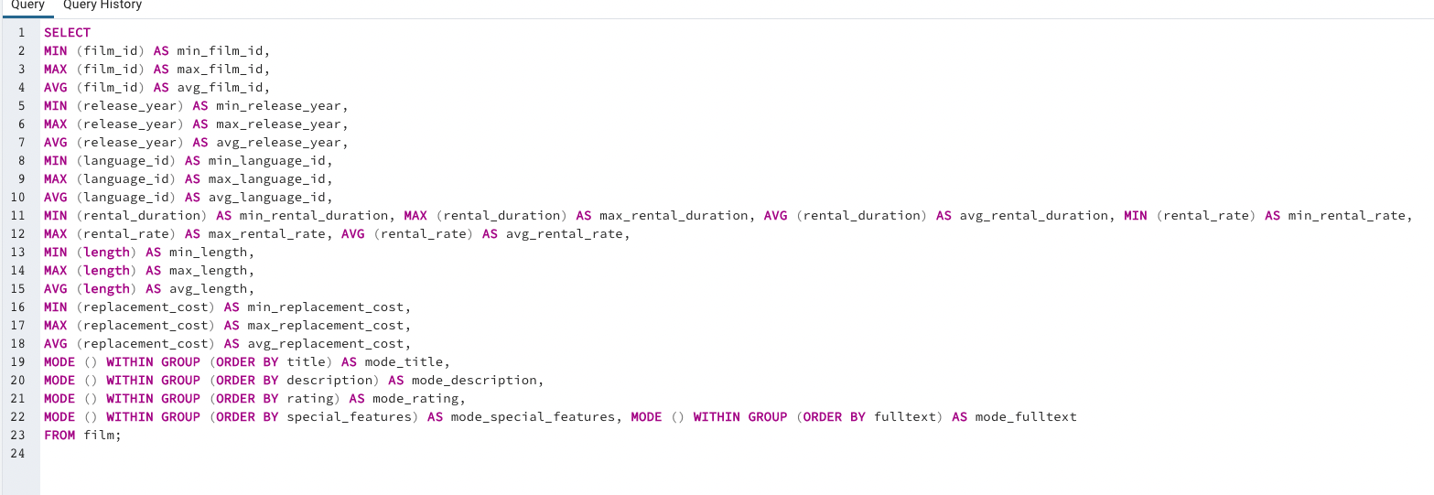

Customer table stats

Top Charts SQL Code
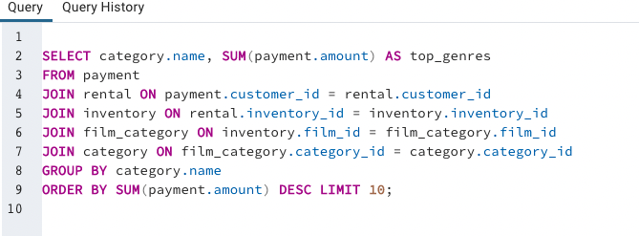
Top 5 Customers

Top 10 countries

Top 10 cities

Top genres

